Depowerkit
Flash Kite
9. Depower kit |  |  | VER : | Rev.08
 |  |  | UPDATED : | 2024-03-01
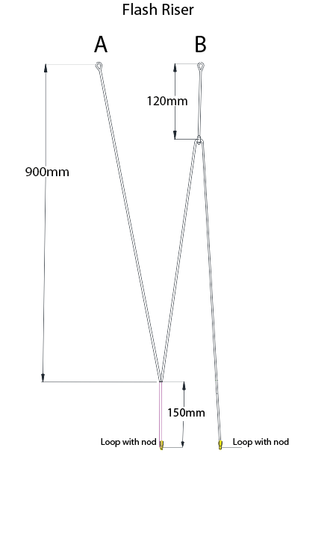

PART | CODE | Material
BLACK | M12551 | Cousin12999 GREY
BLACK | M12551 | Cousin12999 GREY

Lineplan
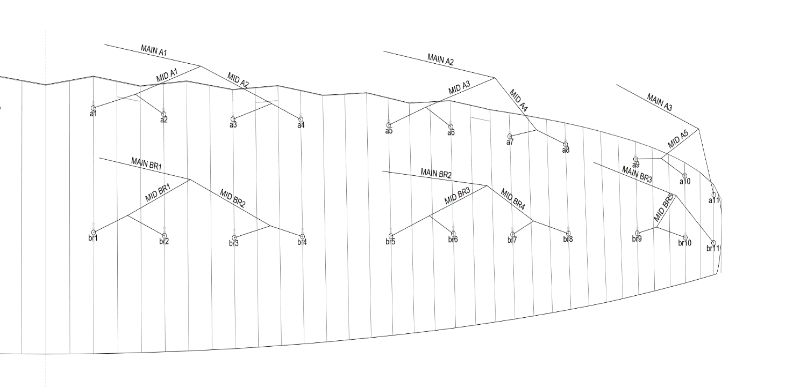
Flash 11m

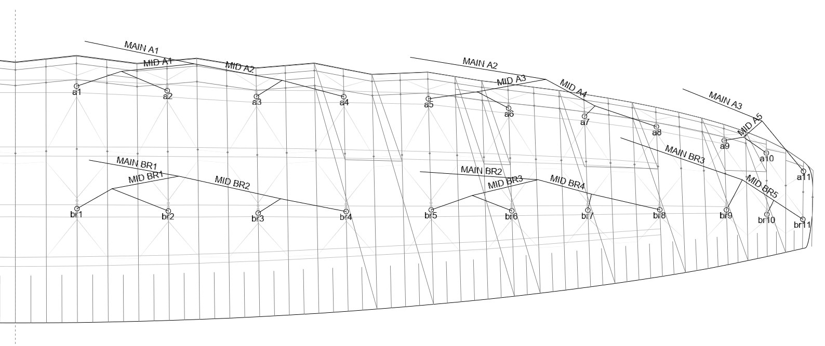

Flash 15m/19M/21m

